Introduction
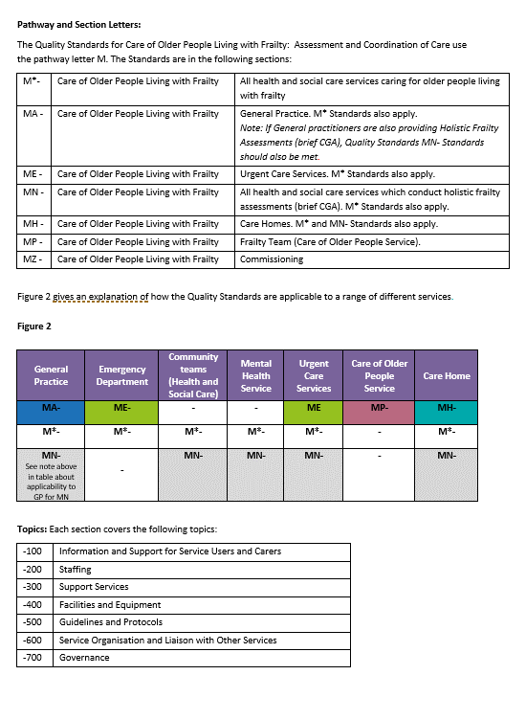 Welcome to the Care of Older People Living with Frailty: Assessment and Coordination of Care Self-Assessment Spreadsheet - Version 3.1, November 2020 You should see a tab at the bottom of the spreadsheet for each of the areas for review. If the tabs at the bottom of the spreadsheet do not appear, please minimise the spreadsheet and then maximise it again and the tabs should be there The full version of the Quality Standards contain more information about their scope and applicability. Key Definitions used in these Quality Standards are:

© November 2020 Quality Review Service These Quality Standards may be reproduced and used freely by NHS and social care organisations for the purpose of improving health services. No part of the Quality Standards may be reproduced by other organisations or individuals or for other purposes without the permission of the Quality Review Service. Organisations and individuals wishing to reproduce any part of the Quality Standards should email the Quality Review Service on: qrs@nhs.net Whilst the Quality Review Service has taken reasonable steps to ensure that these Quality Standards are fit for the purpose of reviewing the quality of services, this is not warranted, and the Quality Review Service will not have any liability to the service provider, service commissioner or any other person in the event that the Quality Standards are not fit for this purpose. The provision of services in accordance with these Standards does not guarantee that the service provider will comply with its legal obligations to any third party, including the proper discharge of any duty of care, in providing these services. Review by: October 2022 at the latest

